Title
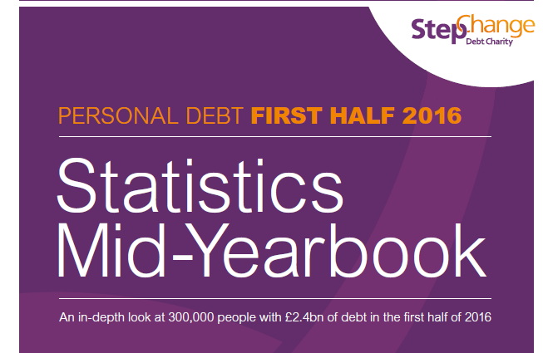

Contents
1. Data presented in the Statistics Mid-Yearbook 2016 report
2. Reasons for debt
3. Demand for debt advice
4. Benefits
5. Housing
6. Unsecured debt
7. Arrears on essential household bills

