Cover
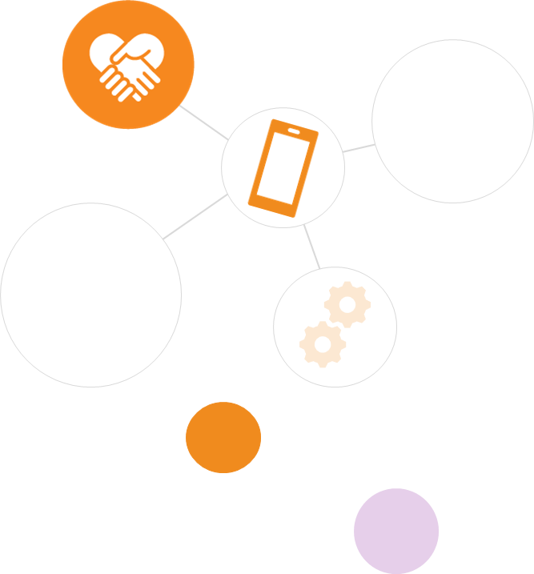
Monthly Client Data
Edition: July 2023
Published August 2023

Background:
This document from StepChange Debt Charity provides insight into the demographic and debt characteristics of new clients who first sought debt advice in July 2023.
This document also provides website traffic information as well as comparisons to previous months and years.

Contact details:
If you require further information about this document, please contact policy@stepchange.org.
If you think you might need debt advice, support with budgeting, or managing persistent debt, StepChange can help with expert advice. Visit www.stepchange.org or call 0800 138 1111 Mon-Fri 8am-8pm, Sat 8am-2pm and take the first step towards taking back control of your finances.
www.stepchange.org
0800 138 1111 (Freephone)
© 2023 StepChange Debt Charity, 123 Albion Street, Leeds, LS2 8ER. Charity no. 1016630 and SC046263. Authorised and regulated by the Financial Conduct Authority.

Client volumes and web trends
Client volumes and website trends

NOTE: If you would like to view a years' worth of rolling data, please allow the view of headings, then unhide columns C to L

Client volumes by channel
 | Online | Telephony
May23 | 12,047 | 3,436
Jun23 | 12,149 | 3,528
Jul23 | 11,631 | 3,224
 | May23 | Jun23 | Jul23
Online | 12,047 | 12,149 | 11,631
Telephony | 3,436 | 3,528 | 3,224
SUM: total clients advised | 15,483 | 15,677 | 14,855

Total number of website users
 | Users accessing the website
May23 | 315,230
Jun23 | 309,346
Jul23 | 317,216
 | May23 | Jun23 | Jul23
Users accessing the website | 315,230 | 309,346 | 317,216

Most commonly viewed debt information page top three webpages
 | May23 | Jun23 | Jul23
Emergency funding | 19,087 | 18,056 | 18,943
Self-employed income calculator | 7,770 | 7,305 | 8,023
Statute-barred debts webpage | 6,320 | 5,764 | 6,464

